EDPR
Operating Data Preview 2022
Madrid, January 25th, 2023

Key Highlights
EDPR continues to deliver solid operational performance on the back of higher installed capacity and stronger renewable resources. In 2022, additions amounted to 2.1 GW (+0.9 GW in 4Q22) and, as of Dec-22, EDPR had 4.0 GW under construction (>2x than Dec-21 levels) supporting the additions for 2023 and beyond.
Installed capacity increased to 14.7 GW, with Europe and North America representing 38% and 49% of the portfolio, respectively, and a higher technology diversification with 12.7 GW of wind onshore, 1.7 GW of solar and 1.5 GW of gross wind offshore in operation.
In 2022, EDPR added 2.1 GW of capacity, mainly driven by the successful expansion of 0.7 GW in solar assets in the APAC region, which now represents 5% of EDPR’s total portfolio, and South America adding 0.6 GW in the same period. EDPR also added 0.4 GW in North America and 0.4 GW in Europe, including the first commissioned hybrid solar and wind energy park on the Iberian Peninsula.
During 2022, EDPR secured multiple Asset rotation deals that amounted to 1.0 GW of capacity rotated across Poland, Spain, Italy, Brazil and US, with a successful Build & Transfer of a 200 MW solar project in Indiana. All in all, net capacity change YoY totalled +1.2 GW.
Capacity under construction reached 4.0 GW as of Dec-22, balanced between solar and wind, together with the first 40 MW from storage, fostering portfolio diversification, supporting the majority of EDPR’s additions for 2023, expected to reach c.4 GW, and including some major projects that have already started construction with commissioning expected post 2023, of which the most sizeable ones are Moray West wind-offshore project in the UK (0.9 GW gross, 0.4 GW net capacity) and the two wind projects in Colombia (0.5 GW).
EDPR generated 33.4 TWh of clean energy in 2022 (+10% YoY), with Europe and North America representing 35% and 55% of total generation output, respectively. In Europe, generation increased +4% YoY, impacted by additions along with a stable renewable resource. In North America, output is up +8% YoY reflecting mainly a stronger renewable resource in the region as well as higher installed capacity. In South America, production increased +39% driven by higher installed capacity in Brazil, despite lower renewable resource. APAC generation, following the additions of solar capacity made during the year, already represent 2% of all EDPR generation.
In 2022, EDPR achieved a 30% load factor (+1pp YoY), with Renewables index +3pp YoY, on the back of new projects in operation.

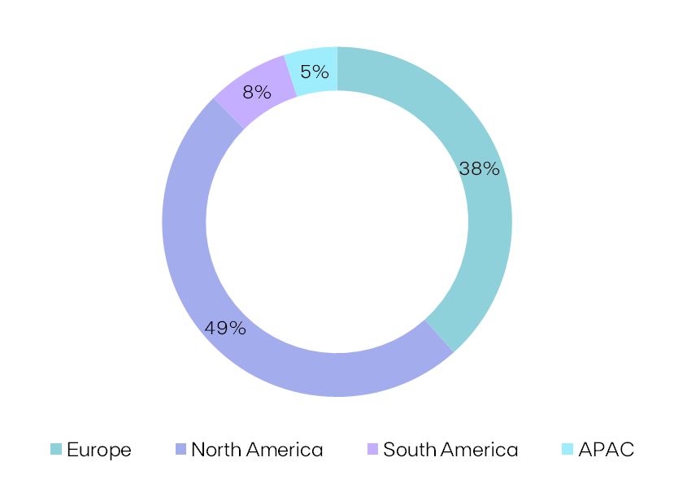
Installed Capacity |  |  |  |  |  | Installed Capacity by Region

EBITDA + Eq. MW | 2022 | 2021 | Additions | AR | YoY

Europe | 5,656 | 5,727 | +431 | (502) | (71)

North America | 7,242 | 7,030 | +412 | (200) | +212 |  | 14.7 GW

South America | 1,114 | 795 | +580 | (260) | +319

APAC | 726 | 28 | +698 | - | +698

EDPR | 14,738 | 13,580 | +2,121 | (963) | +1,159

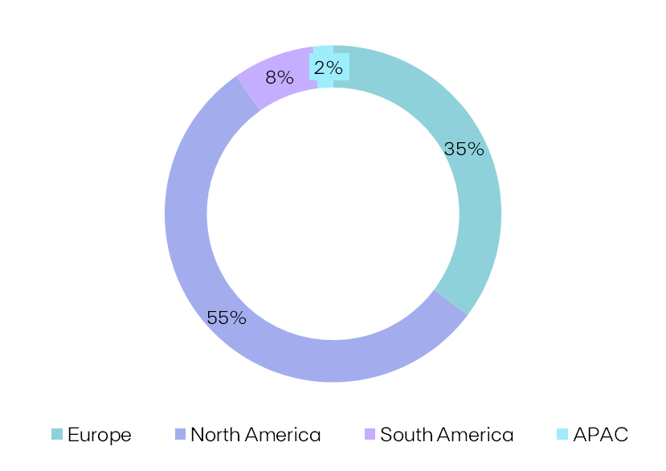
Electricity Generation |  |  |  |  |  | Generation by Region

GWh |  |  | 2022 | 2021 | YoY
Spain |  |  | 4,885 | 4,979 | (2%)
Portugal |  |  | 2,715 | 3,049 | (11%)
Rest of Europe |  |  | 4,178 | 3,329 | +26%
Europe |  |  | 11,778 | 11,356 | +4%
US |  |  | 17,029 | 15,814 | +8% |  | 33.4 TWh
Canada |  |  | 360 | 255 | +41%
Mexico |  |  | 973 | 987 | (1%)
North America |  |  | 18,362 | 17,057 | +8%
Brazil |  |  | 2,625 | 1,888 | +39%
(1)
South America |  |  | 2,625 | 1,888 | +39%
APAC |  |  | 636 | 23 | -
EDPR |  |  | 33,401 | 30,323 | +10%

Load Factor |  |  |  |  |  | NCF (%) |  | vs. P50 GCF (%)
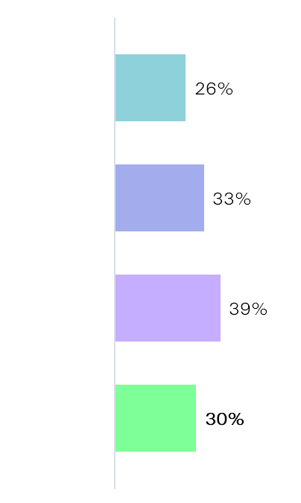
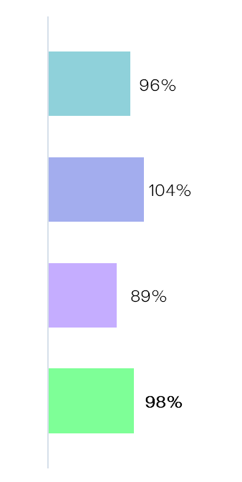
NCF (%) |  |  | 2022 | 2021 | YoY
Spain |  |  | 26% | 26% | -0.1pp
Portugal |  |  | 27% | 28% | -1pp | Europe
Rest of Europe |  |  | 26% | 26% | +1pp
Europe |  |  | 26% | 26% | -0.1pp
US |  |  | 33% | 31% | +2pp
Canada |  |  | 32% | 28% | +4pp | N. America
Mexico |  |  | 45% | 41% | +4pp
North America |  |  | 33% | 31% | +2pp
Brazil |  |  | 39% | 41% | -2pp
(1)
South America |  |  | 39% | 41% | -2pp | S. America
APAC |  |  | 16% | 20% | -4pp
EDPR |  |  | 30% | 29% | +1pp

 |  |  |  |  |  | EDPR

Renewables Index (vs. P50 Gross Capacity Factor)

(%) |  |  | 2022 | 2021 | YoY
EDPR |  |  | 98% | 96% | +3pp

(1) Note that Sunseap has been incoporated on 24/02/2022, and by FY21 only Trung Son (Solar PV) in Vietnam was in operation.
Note: Solar includes Solar PV + DG technology and Storage. Solar capacity and solar load factors reported in MWac.
 |  |  |  |  |  |  | EDPR Investor Relations |  | Phone: +34 900 830 004
EDP Renováveis, S.A. | Head office: Plaza de la Gesta, 2 - 33007 Oviedo, Spain |  |  |  |  |  |  |  | Site: www.edpr.com | Email: ir@edpr.com

Operating Data Preview 2022
Madrid, January 25th, 2023

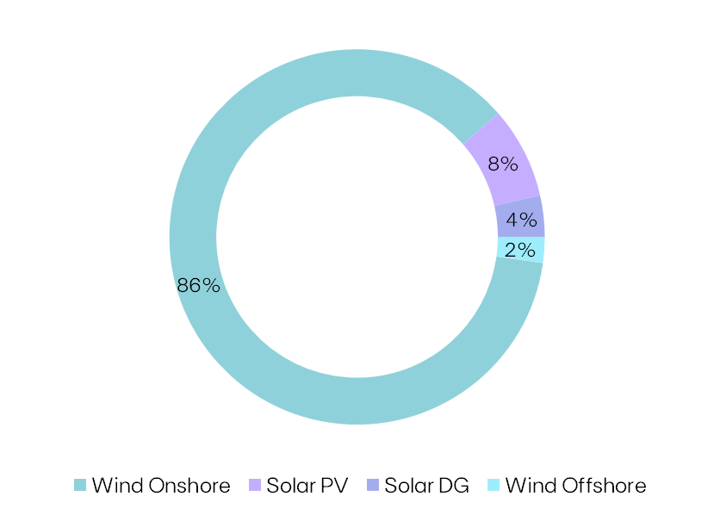
Installed Capacity |  |  |  |  |  | Installed Capacity by Technology
 |  |  | 2022
MW | 2022 | Additions | AR | YTD | U/C
Spain | 2,166 | +153 | (181) | (28) | 132
Portugal | 1,168 | +26 | - | +26 | 192
Rest of Europe | 1,824 | +251 | (322) | (70) | 523
Europe | 5,158 | +431 | (502) | (71) | 847
US | 6,025 | +316 | (200) | +116 | 1,775
Canada | 130 | - | - | - | 300 |  | 14.7 GW
Mexico | 496 | +96 | - | +96 | -
North America | 6,650 | +412 | (200) | +212 | 2,075
Brazil | 1,114 | +580 | (260) | +319 | -
Colombia | - | - | - | - | 504
South America | 1,114 | +580 | (260) | +319 | 504
Vietnam | 405 | +377 | - | +377 | -
Singapore | 230 | +230 | - | +230 | 88
Rest of APAC | 77 | +77 | - | +77 | 38
APAC | 711 | +683 | - | +683 | 126
EBITDA MW | 13,634 | +2,106 | (963) | +1,144 | 3,552
Spain | 156 | - | - | - | -
Portugal | 31 | - | - | - | -
Rest of Europe | 311 | - | - | - | 431
Europe | 498 | - | - | - | 431
US | 592 | - | - | - | - | Technology |  |  | EBITDA + Equity MW
North America | 592 | - | - | - | - | Wind Onshore |  |  | 12,724
APAC | 15 | +15 | - | +15 | - | Solar PV |  |  | 1,163
Eq. Consolidated | 1,105 | +15 | - | +15 | 431 | Solar DG |  |  | 529
EDPR | 14,738 | +2,121 | (963) | +1,159 | 3,973 | Wind Offshore |  |  | 322

Wind Onshore |  |  |  |  |  | Capacity Additions YTD
 |  |  | 2022
MW | 2022 | Additions | AR | YTD | U/C | Project |  | Country | MW
Spain | 2,158 | +145 | (181) | (36) | 20 | El Castillo |  | Spain | +25
Portugal | 1,156 | +18 | - | +18 | 22 | Bourbriac 2 |  | France | +21
Rest of Europe | 1,737 | +215 | (322) | (106) | 146 | Piedrahita |  | Spain | +20
Europe | 5,050 | +378 | (502) | (124) | 188 | Budzyn |  | Poland | +71
US | 5,750 | - | - | - | 202 | Craco |  | Italy | +35
Canada | 130 | - | - | - | 300 | Fulgatore |  | Italy | +44
Mexico | 296 | +96 | - | +96 | - | Warta |  | Poland | +29
North America | 6,175 | +96 | - | +96 | 502 | Cabrerizas |  | Spain | +40
Brazil | 910 | +580 | (260) | +319 | - | Delmoro |  | Spain | +12
Colombia | - | - | - | - | 504 | Sierra de la Venta |  | Spain | +47
South America | 910 | +580 | (260) | +319 | 504 | Barão São João |  | Portugal | +10
EBITDA MW | 12,136 | +1,053 | (763) | +291 | 1,194 | Coentral-Safra |  | Portugal | +8
Spain | 156 | - | - | - | - | Liniez 2 |  | France | +11
Portugal | 20 | - | - | - | - | Serracapriola 1 |  | Italy | +4
Europe | 175 | - | - | - | - | Los Canones |  | Mexico | +96
US | 413 | - | - | - | - | Monte Verde |  | Brazil | +319
North America | 413 | - | - | - | - | Boqueirão |  | Brazil | +80
Eq. Consolidated | 588 | - | - | - | - | Jerusalém I |  | Brazil | +181
EDPR | 12,724 | +1,053 | (763) | +291 | 1,194 | Wind Onshore Additions YTD |  |  | +1,053

Solar |  |  |  |  |  | Capacity Additions YTD
 |  |  | 2022
MW | 2022 | Additions | AR | YTD | U/C | Project |  | Country | MW
Spain | 9 | +9 | - | +9 | 112 | Acampo Arpal |  | Spain | +9
Portugal | 13 | +8 | - | +8 | 170 | Minas de Orgueirel (Hybrid) |  | Portugal | +8
Rest of Europe | 86 | +36 | - | +36 | 377 | Konary |  | Poland | +36
Europe | 108 | +53 | - | +53 | 659 | Distributed Solar |  | US | +116
US | 275 | +316 | (200) | +116 | 1,573 | Indiana Crossroads Solar B&T |  | US | +200
Mexico | 200 | - | - | - | - | Sunseap |  | Vietnam | +377
North America | 475 | +316 | (200) | +116 | 1,573 | Sunseap |  | Singapore | +230
Brazil | 204 | - | - | - | - | Sunseap |  | Rest of APAC | +92
South America | 204 | - | - | - | -
Vietnam | 405 | +377 | - | +377 | -
Singapore | 230 | +230 | - | +230 | 88
Rest of APAC | 77 | +77 | - | +77 | 38
APAC | 711 | +683 | - | +683 | 126
EBITDA MW | 1,498 | +1,053 | (200) | +853 | 2,358
US | 179 | - | - | - | -
North America | 179 | - | - | - | -
Rest of APAC | 15 | +15 | - | +15 | -
APAC | 15 | +15 | - | +15 | -
Eq. Consolidated | 194 | +15 | - | +15 | -
EDPR | 1,691 | +1,068 | (200) | +868 | 2,358 | Solar Additions YTD |  |  | +1,068

Wind Offshore |  |  |  |  |  | Capacity Additions YTD
 |  |  | 2022
MW | 2022 | Additions | AR | YTD | U/C
Portugal | 11 | - | - | - | -
Rest of Europe | 311 | - | - | - | 431
Europe | 322 | - | - | - | 431
EDPR Eq. Consolidated | 322 | - | - | - | 431 | Wind Offshore Additions YTD |  |  | -

Ocean Winds Gross Capacity | 1,462 | - | - | - | 912 | Wind Offshore Gross Additions YTD |  |  | -
Note: Solar includes Solar PV + DG technology and Storage. Solar capacity and solar load factors reported in MWac. |  |  |  |  |  |  | EDPR Investor Relations |  | Phone: +34 900 830 004
EDP Renováveis, S.A. | Head office: Plaza de la Gesta, 2 - 33007 Oviedo, Spain |  |  |  |  |  |  |  | Site: www.edpr.com | Email: ir@edpr.com

