EN
Operating Data Preview 9M23
Madrid, October 17th, 2023

Key Highlights
In the last 12 months, EDPR increased its generation by 3% as a result of capacity additions amounting to +1.7 GW with installed capacity reaching 15.1 GW (net capacity +0.8 GW YoY including asset rotation impact). By technology capacity mix, 82% is wind onshore, 16% solar and storage (of which 5% solar DG) and 2% wind offshore (through OW associate).
In the last 12 months, EDPR added +1.7 GW of capacity geographically diversified, namely Europe and North America both adding +0.7 and +0.6 GW respectively, South America adding +0.3 GW and APAC contributing with +0.2 GW of solar additions. In 9M23, EDPR added 847 MW worldwide, with 162 MW of onshore wind and 669 MW solar additions along with 16 MW additions of storage.
As of Sep-23, EDPR had 5.2 GW under construction (+0.9 GW YoY and +0.2 GW QoQ, mainly in the US). Most sizeable projects will be commissioned beyond 2023/24 namely in wind offshore in the UK (Moray West with 0.9 GW gross, 0.4 GW net capacity) and in France (Noirmoutier and Le Tréport with 1.0 GW gross, 0.3 GW net capacity).
In 2023 EDPR completed 2 Asset rotation deals amounting to 0.4 GW of capacity rotated across Spain and Poland at combined multiple of EV/operational MW of €2.4m/MW vs €1.8m/MW from AR deals in 2022 executed in the same regions. Capital gains of such transactions will be accounted in 3Q23. EDPR’s also signed 2 other AR in Brazil and in the UK offshore wind through Ocean Winds subject to regulatory and other customary precedent conditions . Self-funding strategy continues evolving positively with strong interest from investors.
EDPR renewables index, which reflect deviations of renewables’ resources (mainly wind) for the period vs. long term average stood at 94% for 9M23, representing a negative 6% deviation, mostly of wind resources, vs. LT average for this period (vs. 100% in 9M22).
As anticipated in 1H23 results, 3Q23 has showed abnormally weak wind conditions in the US, impacted by El Niño weather effect which compares YoY with strong wind conditions in 9M22 (wind resources in our North American operations were 5% below LT avg. in 9M23, vs. 2% above avg. in 1Q23 and 6% above avg. in 9M22). This led to the 6% YoY decline of our renewables generation in North America in 9M23, despite capacity additions.
Renewable resource in Europe was 4% below LT avg. in 9M23, which together with the impact of asset rotation deals closed YoY resulted in a 4% YoY decline of generation. APAC generation increased more than 2x YoY, driven by increase in installed capacity and in load factors.
Secured capacity 2023-26 has increased by more than 0.4 GW since 1H23 with new and successful long contracted remuneration worldwide during 3Q23. EDPR has now ~55% of the capacity secured out of the ~17 GW target additions for our Business Plan.

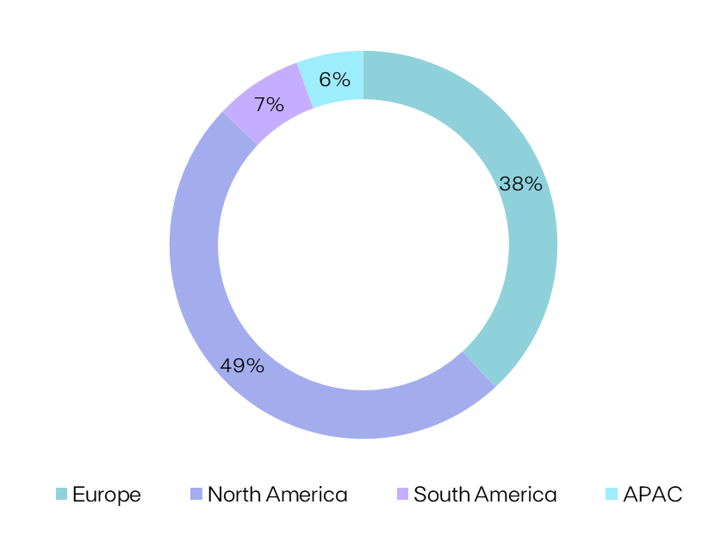
Installed Capacity |  |  |  |  |  | Installed Capacity by Region

(1)
EBITDA + Eq. MW | 9M23 | 9M22 | Additions | AR | YoY

Europe | 5,770 | 5,469 | 698 | (398) | 300

North America | 7,415 | 7,067 | 551 | (200) | 348 |  | 15.1 GW

South America | 1,114 | 1,114 | 260 | (260) | -

APAC | 848 | 681 | 166 | - | 166

EDPR | 15,146 | 14,332 | 1,676 | (858) | 815

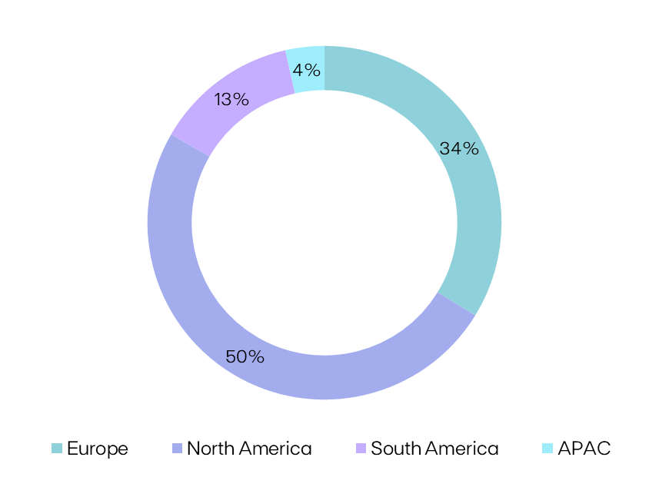
Electricity Generation |  |  |  |  |  | Generation by Region

GWh |  |  | 9M23 | 9M22 | YoY
Spain |  |  | 3,196 | 3,513 | (9%)
Portugal |  |  | 1,953 | 1,937 | +1%
Rest of Europe |  |  | 3,109 | 3,185 | (2%)
Europe |  |  | 8,259 | 8,635 | (4%)
US |  |  | 11,292 | 12,523 | (10%) |  | 25.2 TWh
Canada & Mexico |  |  | 1,372 | 900 | +52%
(2)
North America |  |  | 12,664 | 13,424 | (6%)
Brazil |  |  | 3,354 | 1,901 | +76%
South America |  |  | 3,354 | 1,901 | +76%
APAC |  |  | 909 | 419 | +117%
EDPR |  |  | 25,186 | 24,380 | +3%

Load Factor |  |  |  |  |  | NCF (%) |  | vs. P50 GCF (%)
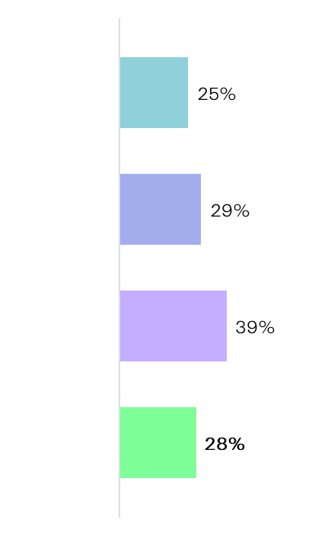
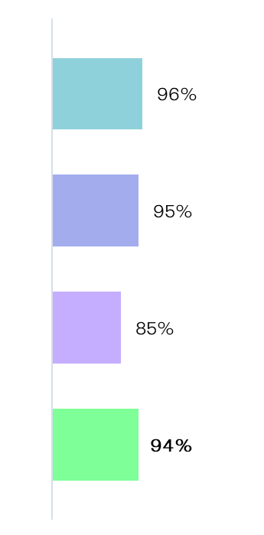
NCF (%) |  |  | 9M23 | 9M22 | YoY
Spain |  |  | 23% | 25% | -1.4pp
Portugal |  |  | 26% | 26% | +0.3pp | Europe
Rest of Europe |  |  | 26% | 26% | -1pp
Europe |  |  | 25% | 25% | -1pp
US |  |  | 29% | 32% | -3pp
Canada & Mexico |  |  | 34% | 40% | -6pp | N. America
(2)
North America |  |  | 29% | 33% | -3pp
Brazil |  |  | 39% | 38% | +0.1pp
South America |  |  | 39% | 38% | +0.1pp
APAC |  |  | 18% | 17% | +2pp | S. America
EDPR |  |  | 28% | 30% | -2pp

 |  |  |  |  |  | EDPR

Renewables Index (vs. P50 Gross Capacity Factor)

(%) |  |  | 9M23 | 9M22 | YoY
EDPR |  |  | 94% | 100% | -6pp

(1) YoY variation considers a decommissioning of a ~3 MW wind turbine in the US.
(2) Increase in generation in Brazil related to 100% contribution from already installed capacity during the last 12 months.
Note: Solar includes Solar Utility Scale + DG technology and Storage. Solar capacity and solar load factors reported in MWac.
 |  |  |  |  |  |  | EDPR Investor Relations |  |  | Phone: +34 900 830 004
EDP Renováveis, S.A. | Head office: Plaza de la Gesta, 2 - 33007 Oviedo, Spain |  |  |  |  |  |  |  | Site: www.edpr.com |  | Email: ir@edpr.com

Operating Data Preview 9M23
Madrid, October 17th, 2023

(1)
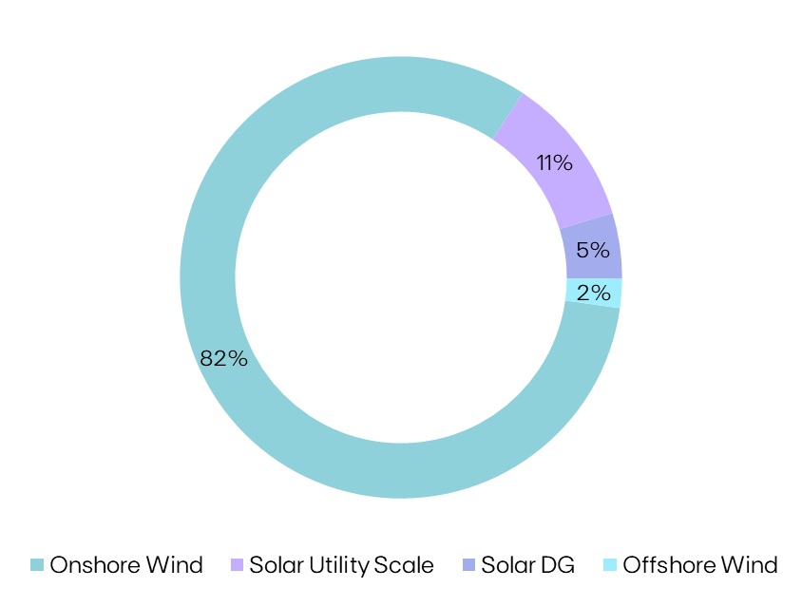
Installed Capacity |  |  |  |  |  | Installed Capacity by Technology
 |  |  | 2023
MW | 9M23 | Additions | AR | YTD | U/C
Spain | 1,955 | +45 | (256) | (211) | 200
Portugal | 1,392 | +224 | - | +224 | 21
Rest of Europe | 1,960 | +279 | (142) | +137 | 457
Europe | 5,307 | +547 | (398) | +149 | 677
US | 6,198 | +177 | - | +174 | 2,232
Canada & Mexico | 625 | - | - | - | 300 |  | 15.1 GW
North America | 6,823 | +177 | - | +174 | 2,532
Brazil | 1,114 | - | - | - | 566
Rest of South America | - | - | - | - | 587
South America | 1,114 | - | - | - | 1,153
Vietnam | 413 | +8 | - | +8 | -
Singapore | 288 | +59 | - | +59 | 48
Rest of APAC | 131 | +55 | - | +55 | 72
APAC | 832 | +122 | - | +122 | 120
EBITDA MW | 14,077 | +846 | (398) | +445 | 4,482
Spain | 120 | (36) | - | (36) | -
Portugal | 31 | - | - | - | -
Rest of Europe | 311 | - | - | - | 728
Europe | 462 | (36) | - | (36) | 728
US | 592 | - | - | - | - | Technology |  |  | EBITDA + Equity MW | YoY
North America | 592 | - | - | - | - | Onshore Wind |  |  | 12,432 | (1%)
APAC | 16 | +1 | - | +1 | 1 | Solar Utility Scale |  |  | 1,665 | 49%
Eq. Consolidated | 1,070 | (35) | - | (35) | 729 | Solar DG |  |  | 728 | 82%
EDPR | 15,146 | +811 | (398) | +410 | 5,211 | Offshore Wind |  |  | 322 | -

(1)
(2)
Onshore Wind |  |  |  |  |  | Capacity Additions YTD
 |  |  | 2023
MW | 9M23 | Additions | AR | YTD | U/C | Project |  | Country |  | MW
Spain | 1,947 | +45 | (256) | (211) | 20 | San Giorgio |  | Italy |  | +29
Portugal | 1,159 | +22 | - | +22 | - | Casalbore |  | Italy |  | +29
Rest of Europe | 1,690 | +95 | (142) | (47) | 165 | Greci |  | Italy |  | +23
(2)
Europe | 4,796 | +162 | (398) | (236) | 185 | Alto da Coutada (Overequipment) |  | Portugal |  | +22
US | 5,747 | - | - | (3) | 202 | San Juan de Bargas |  | Spain |  | +45
Canada & Mexico | 425 | - | - | - | 300 | Oigny |  | France |  | +15
North America | 6,172 | - | - | (3) | 502
Brazil | 910 | - | - | - | 99
Rest of South America | - | - | - | - | 587
South America | 910 | - | - | - | 686
(2)
EBITDA MW | 11,879 | +162 | (398) | (239) | 1,373
Spain | 120 | (36) | - | (36) | -
Portugal | 20 | - | - | - | -
Europe | 140 | (36) | - | (36) | -
US | 413 | - | - | - | -
North America | 413 | - | - | - | -
Eq. Consolidated | 553 | (36) | - | (36) | -
EDPR | 12,432 | +126 | (398) | (275) | 1,373 | Onshore Wind Additions YTD |  |  |  | +162

Solar |  |  |  |  |  | Capacity Additions YTD
 |  |  | 2023
MW | 9M23 | Additions | AR | YTD | U/C | Project |  | Country |  | MW
Spain | 9 | - | - | - | 180 | Chotków |  | Poland |  | +31
Portugal | 233 | +202 | - | +202 | 21 | Przykona |  | Poland |  | +153
Rest of Europe | 270 | +184 | - | +184 | 291 | Distributed Solar |  | US |  | +61
Europe | 511 | +386 | - | +386 | 492 | Sunseap |  | Vietnam |  | +8
US | 451 | +177 | - | +177 | 2,031 | Sunseap |  | Singapore |  | +59
Canada & Mexico | 200 | - | - | - | - | Sunseap |  | Rest of APAC |  | +55
North America | 651 | +177 | - | +177 | 2,031 | Timber Road Solar |  | US |  | +50
Brazil | 204 | - | - | - | 467 | Blue Harvest Solar |  | US |  | +50
South America | 204 | - | - | - | 467 | Central Fotovoltaica da Cerca |  | Portugal |  | +202
Vietnam | 413 | +8 | - | +8 | - | Storage |  | US |  | +16
Singapore | 288 | +59 | - | +59 | 48
Rest of APAC | 131 | +55 | - | +55 | 72
APAC | 832 | +122 | - | +122 | 120
EBITDA MW | 2,198 | +684 | - | +684 | 3,109
US | 179 | - | - | - | -
North America | 179 | - | - | - | -
Rest of APAC | 16 | +1 | - | +1 | 1
APAC | 16 | +1 | - | +1 | 1
Eq. Consolidated | 195 | +1 | - | +1 | 1
EDPR | 2,393 | +685 | - | +685 | 3,110 | Solar Additions YTD |  |  |  | +685

Offshore Wind |  |  |  |  |  | Capacity Additions YTD
 |  |  | 2023
MW | 9M23 | Additions | AR | YTD | U/C
Portugal | 11 | - | - | - | -
France & Belgium | 43 | - | - | - | 309
United Kingdom | 269 | - | - | - | 419
Europe | 322 | - | - | - | 728
EDPR Eq. Consolidated | 322 | - | - | - | 728 | Offshore Wind Additions YTD |  |  |  | -
Ocean Winds Gross Capacity | 1,462 | - | - | - | 1,896 | Offshore Wind Gross Additions YTD |  |  |  | -

(1) YTD variation considers a decommissioning of a ~3 MW wind turbine in the US. (2) Portfolio Equity adjustments.
Note: Solar includes Solar Utility Scale + DG technology and Storage. Solar capacity and solar load factors reported in MWac. |  |  |  |  |  |  | EDPR Investor Relations |  |  | Phone: +34 900 830 004
EDP Renováveis, S.A. | Head office: Plaza de la Gesta, 2 - 33007 Oviedo, Spain |  |  |  |  |  |  |  | Site: www.edpr.com |  | Email: ir@edpr.com

